1. Title Page
Instacart Basket Analysis

Project Name: Instacart Basket Analysis
Date: 9/28/2023
Analyst Name: Brayden Bissonette

Contents:
Population Flow
Consistency checks
Wrangling steps
Column derivations
Visualizations
Recommendations

Data Citation:
All Data Sets Provide by Instacart (Maplebear Inc.)

2. Population Flow
Title page

Population flow

Exclusion flag
Condition: max_order < 5
Obervations to be removed: 1441488
Final total count of order_products_all: 30991542

Orders_products_combined
Orders_products_merged
Orders_products_all

Total: 32433030
Total: 32434489
Total: 30991542

3. Consistency checks
 |  |  |  | Title page
Consistency checks

Dataset | Missing values | Missing values treatment | Duplicates
orders | 206209 Missing values from days_since_prior_order, found this value is from customers very first order | These missing values were simply ignored as what they represent is not incorrect | No Duplicates Found
products | 16 Product Names missing | Removed values from data set | 5 Duplicate Values found and removed
orders_products_prior | N/A | N/A | N/A
customers | 11259 in first_name column | Changed the column type to str to make the data consistent but left the missing values as they should adversely affect the analysis of the data. | No Duplicates Found

4. Wrangling steps
 |  |  |  | Title page
Wrangling steps

Columns dropped | Columns renamed | Columns' type changed | Comment/Reason
eval_set from orders |  |  | Not Needed
 | order_dow' to 'orders_day_of_week' |  | Consistency
 |  | order_id to str | Ease of Use
 | Unnamged : 0 to department_id |  | Clarification
 |  | user_id to str | Ease of Use
 | order_hour_of_day' to 'order_hour' |  | Simplicity
 | First Name' to 'first_name' |  | Consistency
 | Surnam' to 'last_name' |  | Clarification
 | Gender' to 'gender' |  | Consistency
 | STATE' to 'state' |  | Consistency
 | n_dependents' to ' number_of_dependents' |  | Clarification
 | fam_status' to 'marital_status' |  | Clarification
 | Age' to 'age' |  | Consistency
 |  | first_name to str
first_name |  |  | Security PII
last_name |  |  | Security PII

5. Column derivations
 |  |  | 0 | Title page

Column derivations and aggregations

Dataset | New column | Column/s it was derived from | Conditions
orders_products_merged_derived | price_range_loc | prices | prices > 15 = 'High-Range Product', prices <= 15 and >5 = 'Mid-Range Product', Prices <= 5 = 'Low-range product'
orders_products_merged_derived | busiest_days | orders_day_of_week | orders_day_of_week = 0 or 1 then 'Busiest day', orders_day_of_week = 4 or 3 then 'least busy', all else then 'regular busy'
orders_products_merged_derived | busiest_period_of_day | order_hour | order_hour = 10, 11, 14, 15, 13, 12, 16, 9 then "Most Orders", order_hour = 23, 6, 0, 1, 5, 2, 4, 3 then "Fewest Orders", all else then "Average Orders"
orders_products_merged_aggregated | loyalty_flag | user_id, order_number | max_order > 40 then "Loyal Customer", max_order <= 40 and >10 then "Regular Customer", max_order <=10 then "New Customer"
orders_products_merged_aggregated | spending_flag | user_id, prices | average_price <10 then "Low Spender", average_price >= 10 then "High Spender"
orders_products_merged_aggregated | frequency_flag | user_id, days_since_prior_order | median_days >20, then "Non-Frequent Customer", median_days <= 20 then "Regular Customer", median_days <=10 then "Frequent Customer"
high_activity_customers | region | state | Northeast = ['Maine', 'New Hampshire', 'Vermont', 'Massachusetts', 'Rhode Island', 'Connecticut', 'New York', 'Pennsylvania', 'New Jersey'] Midwest = ['Wisconsin', 'Michigan', 'Illinois', 'Indiana', 'Ohio', 'North Dakota', 'South Dakota', 'Nebraska', 'Kansas', 'Minnesota', 'Iowa', 'Missouri'] South = ['Delaware', 'Maryland', 'District of Columbia', 'Virginia', 'West Virginia', 'North Carolina', 'South Carolina', 'Georgia', 'Florida', 'Kentucky', 'Tennessee', 'Mississippi', 'Alabama', 'Oklahoma', 'Texas', 'Arkansas', 'Louisiana'] West = ['Idaho', 'Montana', 'Wyoming', 'Nevada', 'Utah', 'Colorado', 'Arizona', 'New Mexico',
high_activity_customers | activity_flag | max_order | max_order < 5 = low-activity customer, max_order >= 5 = high-activity customer
high_activity_orders_products_customers_profiled | age_group | age | age <= 29 then "Young Adult", age > 29 and <50 then "Regular Adult", age >49 and < 70 = "Middle-Aged Adult", age > 69 then "Old Adult"
high_activity_orders_products_customers_profiled | income_group | income | income <= 67289 then "Low Income", income >67289 and <128101 then "Middle Income", income >- 128101 then "High Income"
high_activity_orders_products_customers_profiled | dependents_group | number_of_dependents | number_of_dependents > 0 then "Has Dependents", number_of_dependents = 0 then "Has No Dependents
high_activity_orders_products_customers_profiled | family_profile | marital_status, gender, dependents_group, | marital status = single, living w/ parents, and sibling, and dependents = Has Dependents, and Gender = Male then "single male has children" marital status = single, living w/ parents, and sibling, and dependents = Has Dependents, and Gender = Female then "single female has children" marital status = single, living w/ parents, and sibling, and dependents = Has No Dependents, and Gender = Male then "single male no children" marital status = single, living w/ parents, and sibling, and dependents = Has No Dependents, and Gender = Female then "single female no children" marital status = married, and dependents = Has Dependents, and gender = Male then "Married Male with children" marital status = married, and dependents = Has No Dependents, and gender = Male then "Married Male no children" marital status = married, and dependents = Has Dependents, and gender = Female then "Married Female with children" marital status = married, and dependents = Has No Dependents, and gender = Female then "Married Female no children"
final_data_instacart_visualized | new_order_day_of_week | order_day_of_week | 0 = Saturday, 1 = Sunday, 2 = Monday, 3 = Tuesday, 4 = Wednesday, 5 = Thursday, 6 = Friday
final_data_instacart_visualized | price_range | prices | prices > 16 = 'High Price', prices < 15 and >5 = 'Mid Price', Prices <= 5 = 'Low Price'

6. Visualizations
 |  | Title page

Visualisations

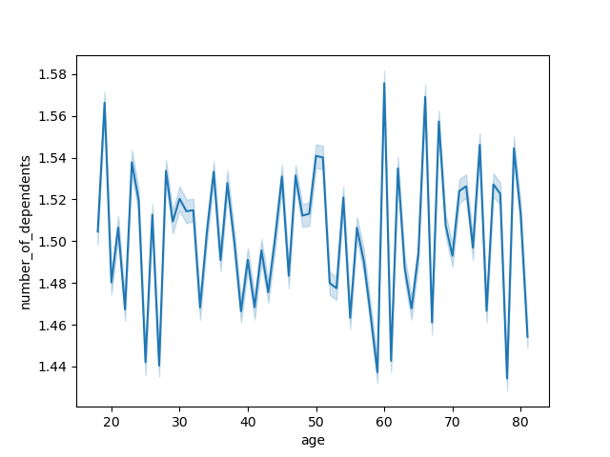
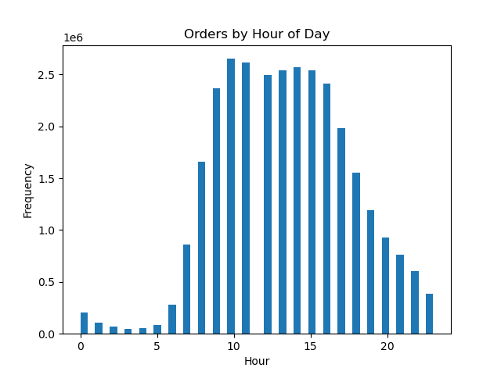
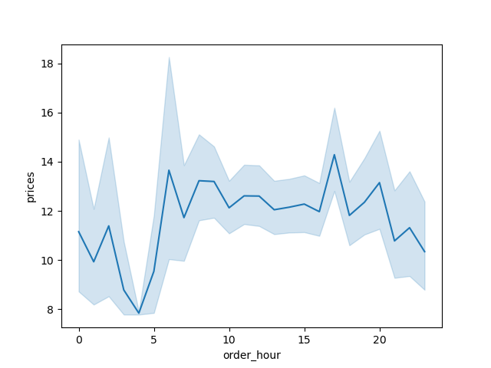


Relationsihp between the number of dependents of a customer and the age of that customer. No Correlation determined | Displays frequency of orders by time of day Peak Hours between 9am and 4pm Addressing Key Question 1 |  | Displays the relationship between the prices of product and the hour of day products are purchased. No Correlation Addressing Key Question 2 | Displays the distribution of loyalty flag groups Regular Customers hold the majority for the loyalty flags



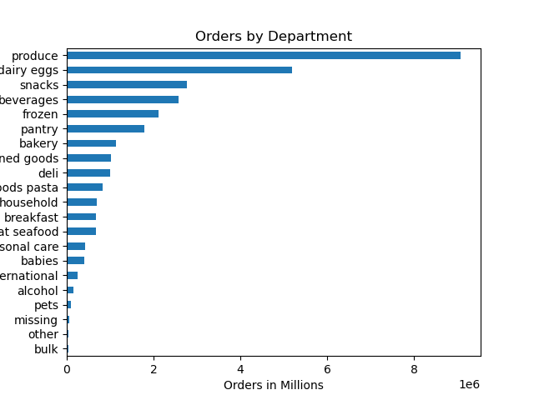

Displays frequency of orders by time of day Addressing Key Question 1 | Scatter plot displagin the distribution of customers age and their income You can see income jumps at age group such as age 40 where frequency of Addressing Key Questions 9 |  | Displays the number of orders by deparment Produce, Dairy Eggs, Snack, Beverages, and frozen departments hold the majority of products sold Addressing key question 4

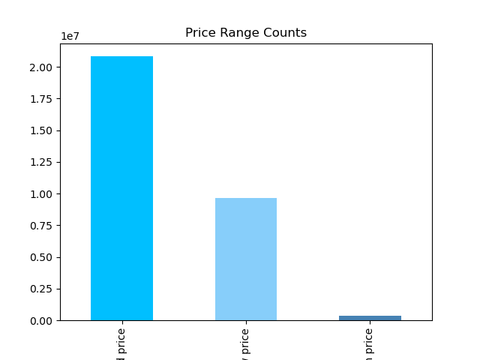
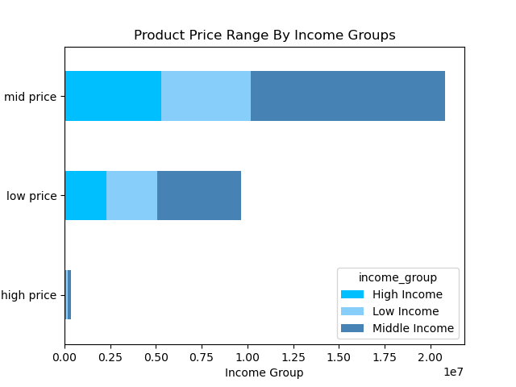
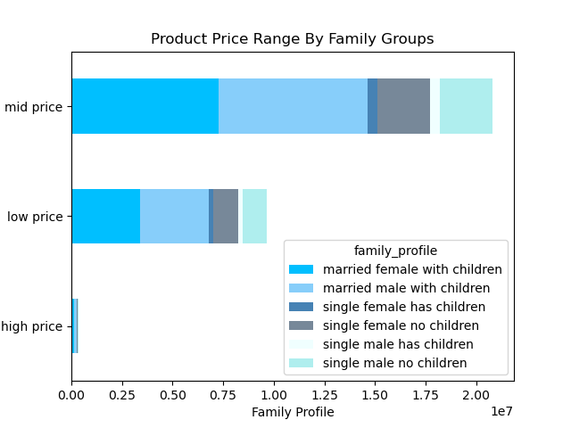

 | Showing the income groups associated with the product price ranges Addressing Key Question 3 |  | Showing Product Price Range according to family profiles. Married Families with children hold the majority in all price ranges Addressing Key Question 3
Showing the distribution of price ranges. Mid range priced goods hold the majority Addressing Key Question 3

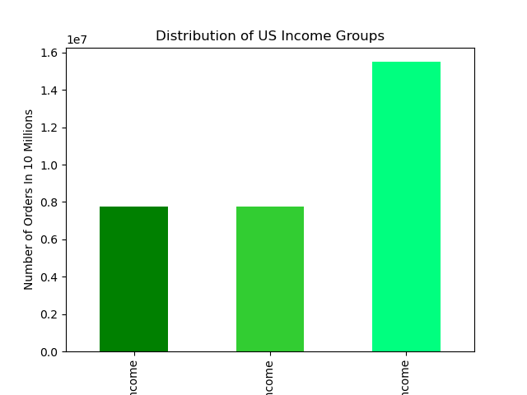
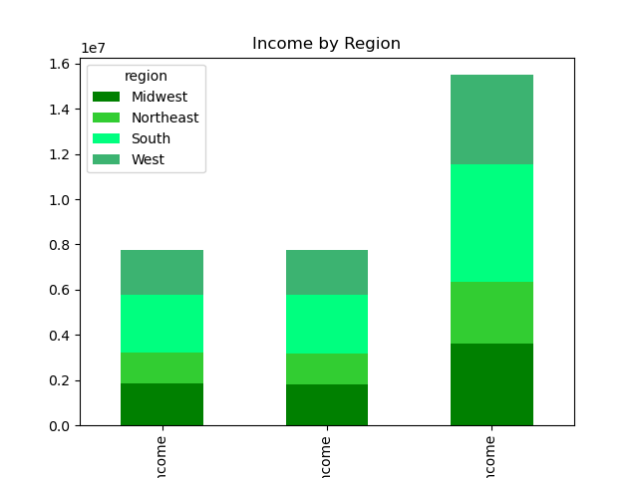
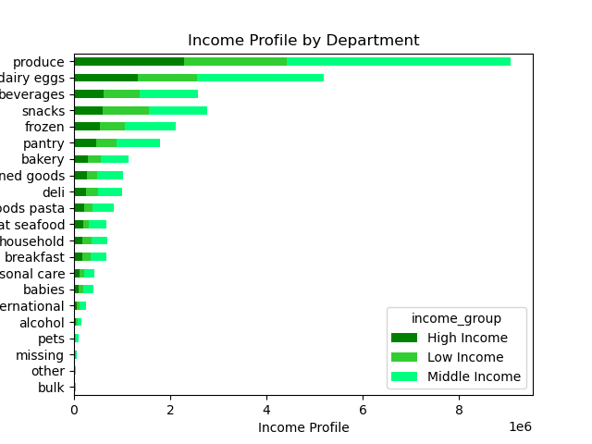

Shows the number of orders by income groups Addressing Key Questions 9 | Shows the number of orders by income groups sorted by regions Addressing Key questions 7
 |  |  | Showing the distribution of departments sorted by income groups

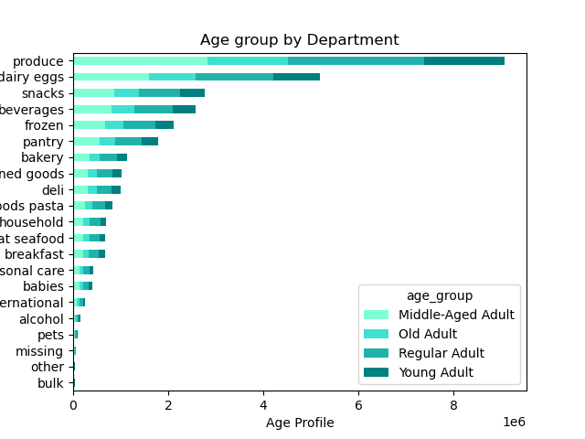
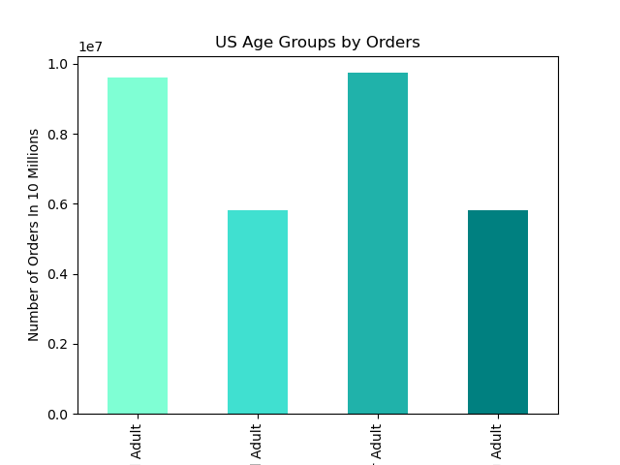
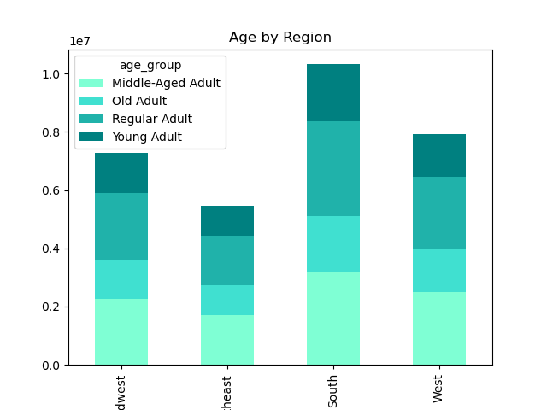

Showing the distribution of ages groups in the instacard database Addressing Key question 9 | Showing the number of orders by region sorted by age groups Addressing Key Question 7 |  | Showing the distribution of departments sorted by age groups

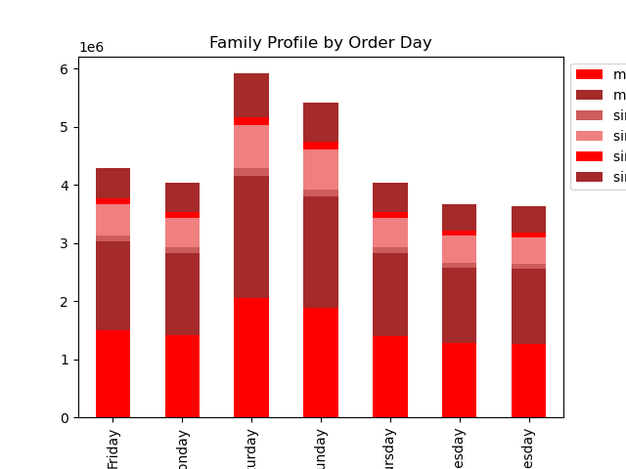
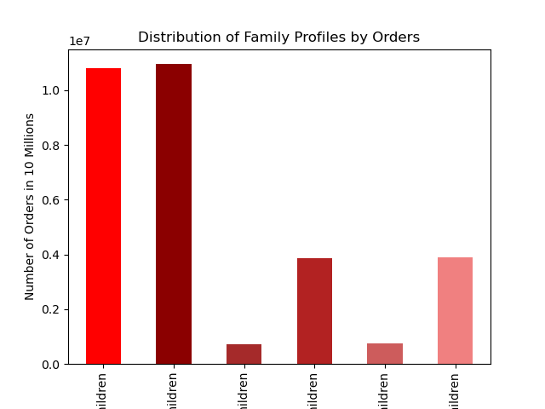
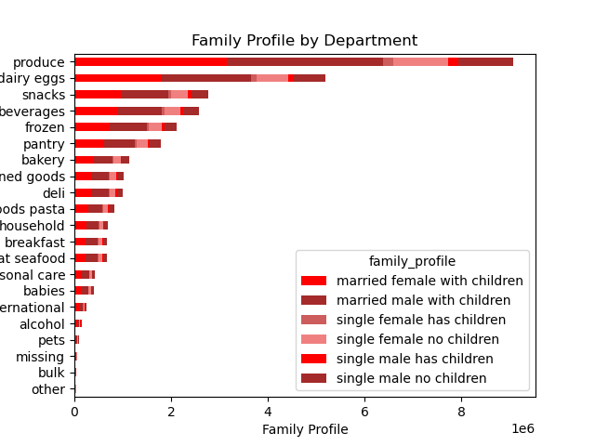
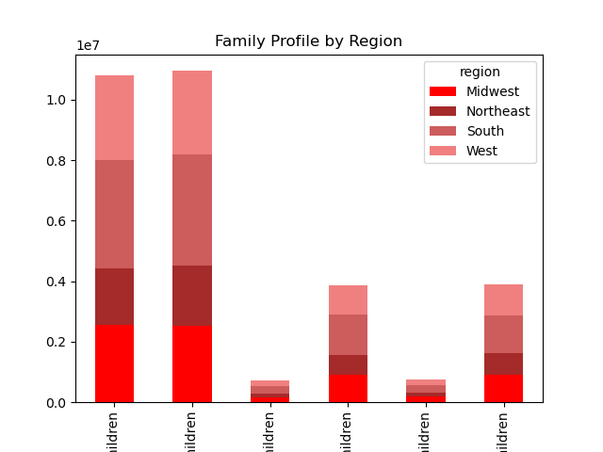
Shows the orders by weekday sorted by family groups Addressing Key Question 1 and 9 | Shos the distribution of orders by family groupings
 |  |  | Showing the distribution of orders by region and family groups Addressing Key Question 7
 |  |  |  | Showing the number of orders by department id and family groups

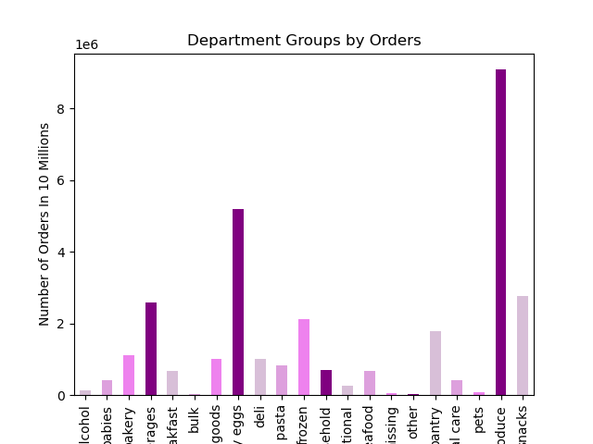
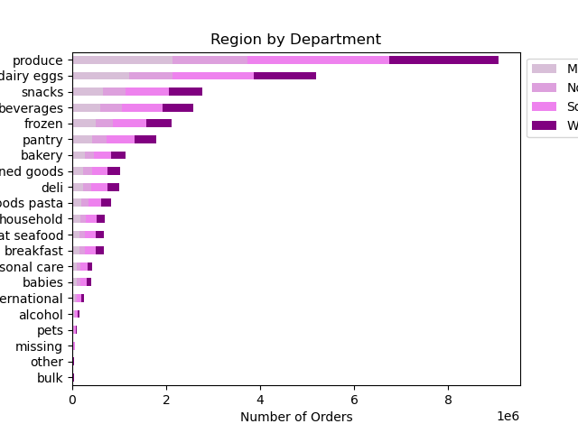

Distiribution of orders by deparment id Addressing Key Question 4 and 9
 | Distribution of orders by deparment id sorted by regions Addressing Key Question 4

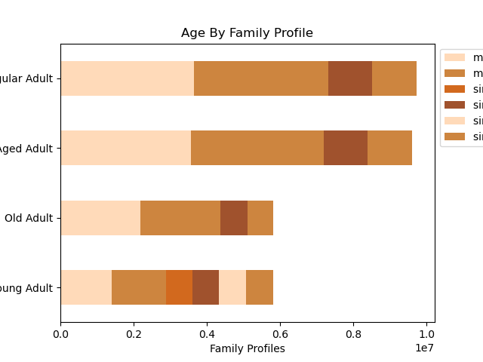
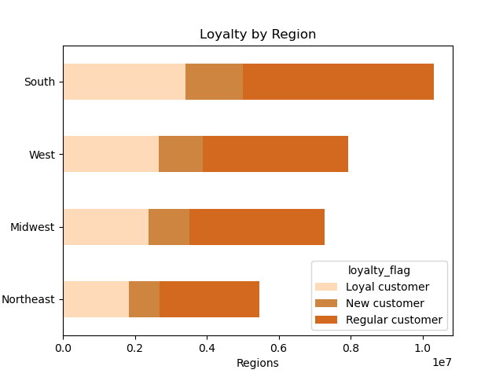
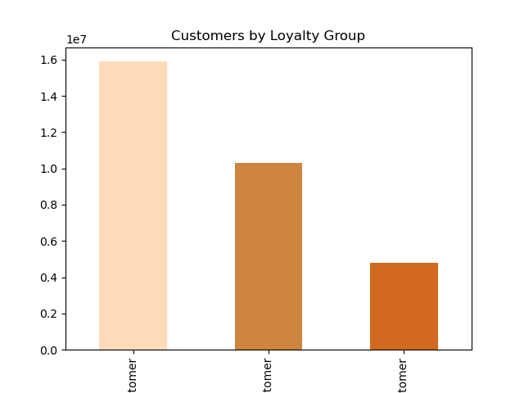

Showing the number of loyal customer groups by regions in the US Addressing Key Question 6 and 9 | Showing the distribution orders by age and family groups Addressing Key Question 8 |  | Showing the distribution of orders by loyalty groups Addressing Key Question 5

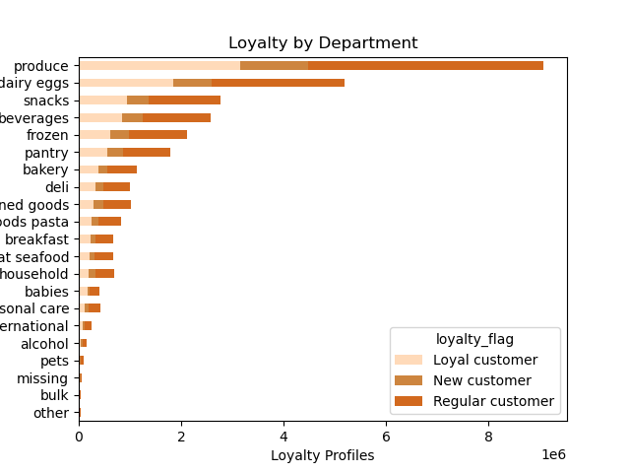
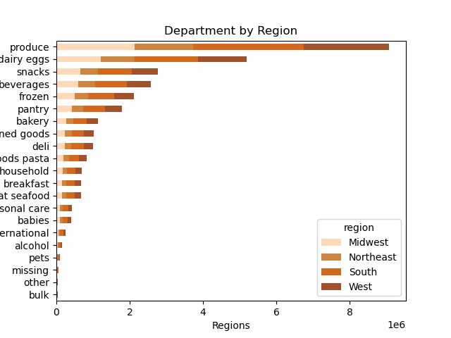

Showing the difference in deparment good separated by region Addressing Key Question 7 & 10 | Showing the difference in department good separated by customer loyalty groups Addressing Key Question 6

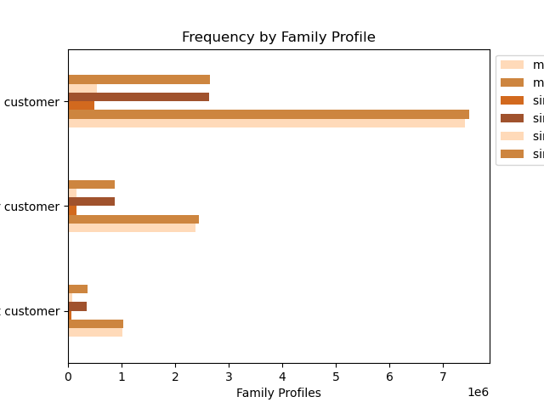
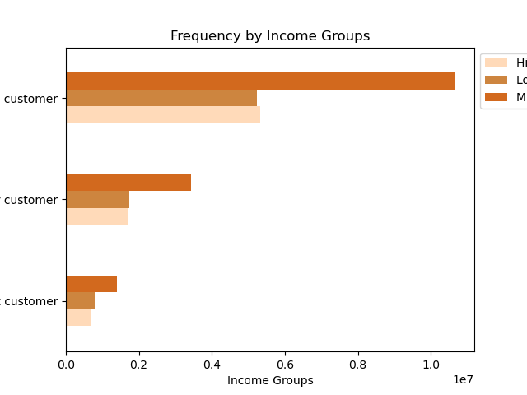

Shows the orders by frequency groups and family groups Addressing Key Question 10 | Shows the orders by customer frequency and income difference Addressing Key Question 10

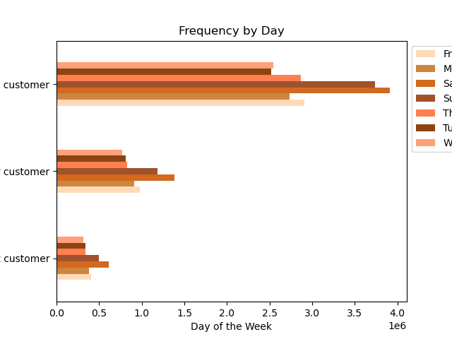
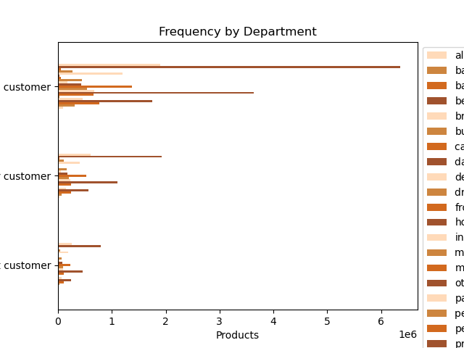

Show the distribution of customer frequency groups by days of the week. Addressing Key Question 10 | Shows the distribustion of department good separated by the types of customer frequency Addressing Key Question 10

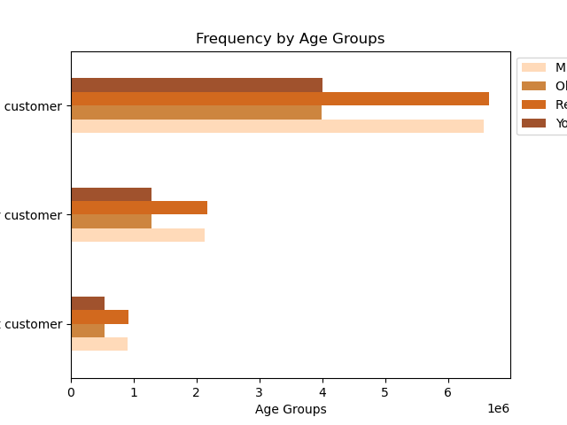

Shows the distribtion of customer frequency groups by age groups Addressing Key Question 10

7. Recommendations
 |  |  | Title page

Recommendations

 | Key Questions | Answer
1 | The sales team needs to know what the busiest days of the week and hours of the day are (i.e., the days and times with the most orders) in order to schedule ads at times when there are fewer orders. | Answer: The Busiest days of the week are Saturday and Sunday across all custoemr profiles developed. The Peak Hours of the day are from 9am to 4pm. Recommendation: Place a higher frequency of ads during week days Mond-Fri and during hours before 9am and after 4pm.
2 | They also want to know whether there are particular times of the day when people spend the most money, as this might inform the type of products they advertise at these times. | Answer: As aswered in the previous the preak times of the day when products are being purchase is between 9am and 4pm. There are spikes of revenue at 6am, 5pm, and 8pm. Recommendation: Product you want to push should be advertised slightly before and during peak hours of 9am to 4pm and around the times of 6am, 5pm, and 8pm.
3 | Instacart has a lot of products with different price tags. Marketing and sales want to use simpler price range groupings to help direct their efforts. | Answer: Mid ranged priced goods sell significantly higher than all other goods. Married Middle income families with children purchase these good at the highest rate. Recommendation: To push less purchase products instacart sales and marketing teams should increase products in the low and high priced categories or strategize ways for operations to bring those products more towards middle range prices where customers tend to prioritize their money.
4 | Are there certain types of products that are more popular than others? The marketing and sales teams want to know which departments have the highest frequency of product orders. | Answer: The products with the greatest popularity are produce, dairy eggs, snacks, beverages, and frozen foods. Recommendation: Prioritize ads and marketing to accelerate those five departments. Strategize with operations to innovate in other departments specifically pantry, bakery, canned goods, deli, and dry goods pasta to be competitive with other deparment succes areas.
5 | What’s the distribution among users in regards to their brand loyalty (i.e., how often do they return to Instacart)? | Answer: Majority of Customers are regular customers to instacart. So majority of customers have returned 10-40 times. Loyal customers do hold a large number ordering greater than 40 total. Recommendation: Incentivize regular customers with brand deals to encourage greater return behaviour and customer loyalty to the platform.
6 | Are there differences in ordering habits based on a customer’s loyalty status? | Answer: All the Loyalty Flags follow the same purchasing trends according to region, and department goods. Recommendation: Develop Strategies to convert customers from regular customers to loyal customers.
7 | Are there differences in ordering habits based on a customer’s region? | Answer: The region with the most instacard customers is the south followed by the west and midwest and the northeast being the lowest. Recommendation: For larger sales development focus on customers in the south and west regions.
8 | Is there a connection between age and family status in terms of ordering habits? | Answer: Regular to middle aged adults are more frequent customers age 29-70. In those areas married female and males with children hold the highest share of orders. Recommendation: Yes, there is a connection between age and family status according to ordering habits. Married Customers with children between the ages of 27 to 70 hold a high frequency of orders making those age and family groups most valuable.
9 | What different classifications does the demographic information suggest? Age? Income? Certain types of goods? Family status? | Answer: Overall the information suggests a few key trends. A major income threshold sits around $180k for majority of Customers. Most customers are located in the south region and are in the middle age groups. The highest grossing family groups are parents with children with all these groups buying primarily produce, dairy eggs, adn beverages. Recommendation: Focus ads and innovations on young to middle aged families with an average income between $100k and $180k.
10 | What differences can you find in ordering habits of different customer profiles? Consider the price of orders, the frequency of orders, the products customers are ordering, and anything else you can think of. | Answer: Thursday, Firday, Saturday, and Sunday the best days to push promotional material. In terms of frequency there were no other major insights to be gleaned that hasn’t been discovered earlier in this report. Recommendation: Majoirty of customers are frequent customers, so instead of working to convert more regular customers to frequent, I would suggest to increase the volumn and total size of the orders then they are purchased. |  | 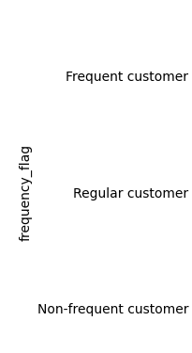 | 